Sheet1
Client | KRISUMI
Attn : | Mr Roshan
Event Date | 18th Dec
 | Christmas Decor Estimate

ROCK CASTLE EXPERIENCES UN-LTD |  |  |  |  |  | www.rockcastle.in
 | * Please note below designs are for a thematic look. We will be doing some alterations in them to fit the measurements stated below for each elements.
 | Main Entry | 8 x 8 | 1 | Cost
 | Christmas trees in MDF router cut with white paint finish |  |  | 78500
 | Podium to hod letters made in mdf , star in background made in MS pipe with white paint finish, small stars to hang on the ms frame |  |  |  | 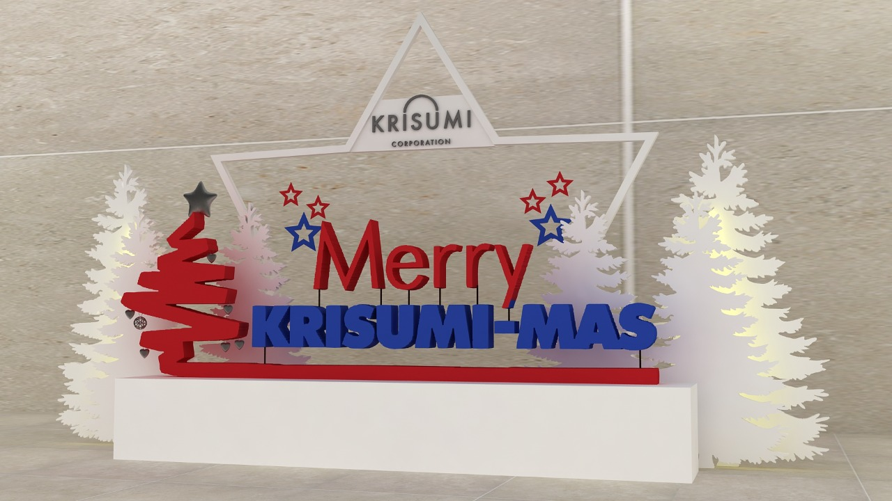

 | Lobby installation
 | Trees and deer duly cut in mdf with white paint finish, platform in white paint finish to hold the structures | 4*6 ft | 1 | 34500

 | Reception installation | 12*8 ft | 1
 | Trees and riendeer duly cut in mdf with white paint finish, platform in white paint finish to hold the structures, lights placed between the trees to create silhoutte effect |  |  | 98500 | 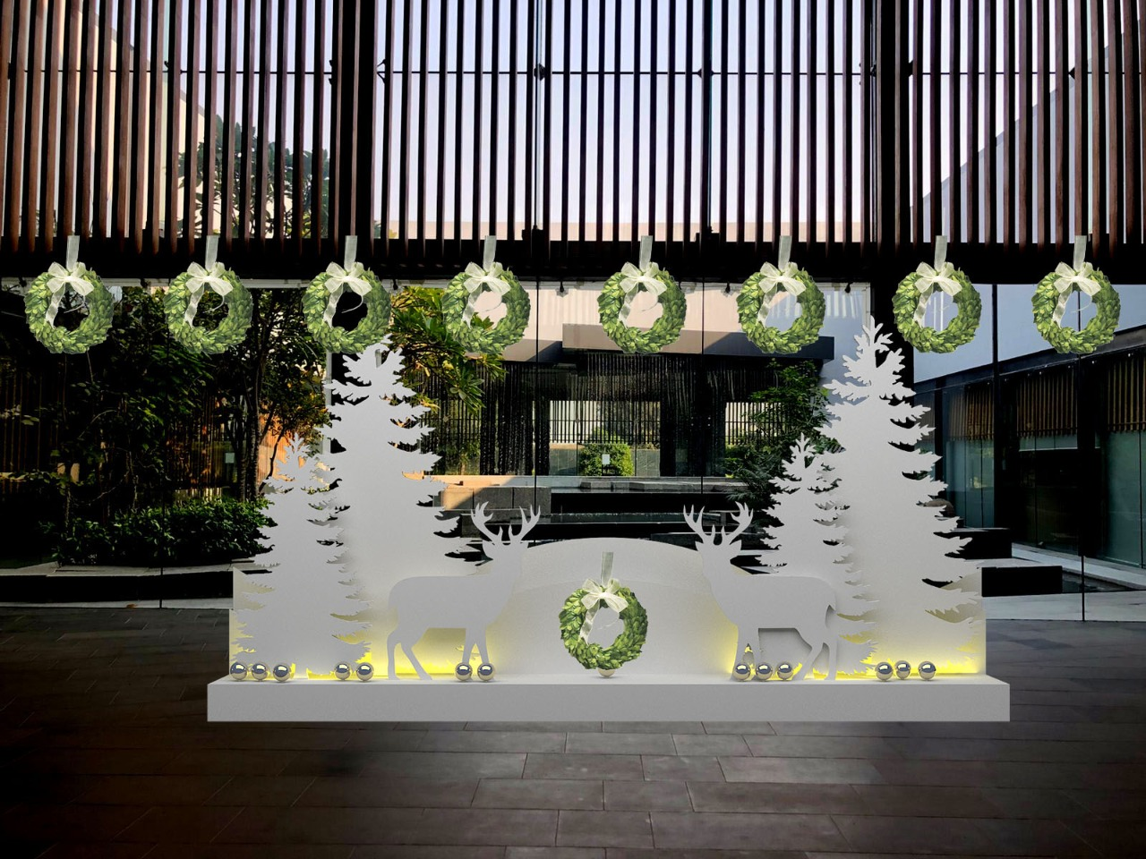

 | Wreaths for overall decor |  | 40 | 38000
 | Snowflakes in mdf cut with paint finish |  | 65-80 | 34000

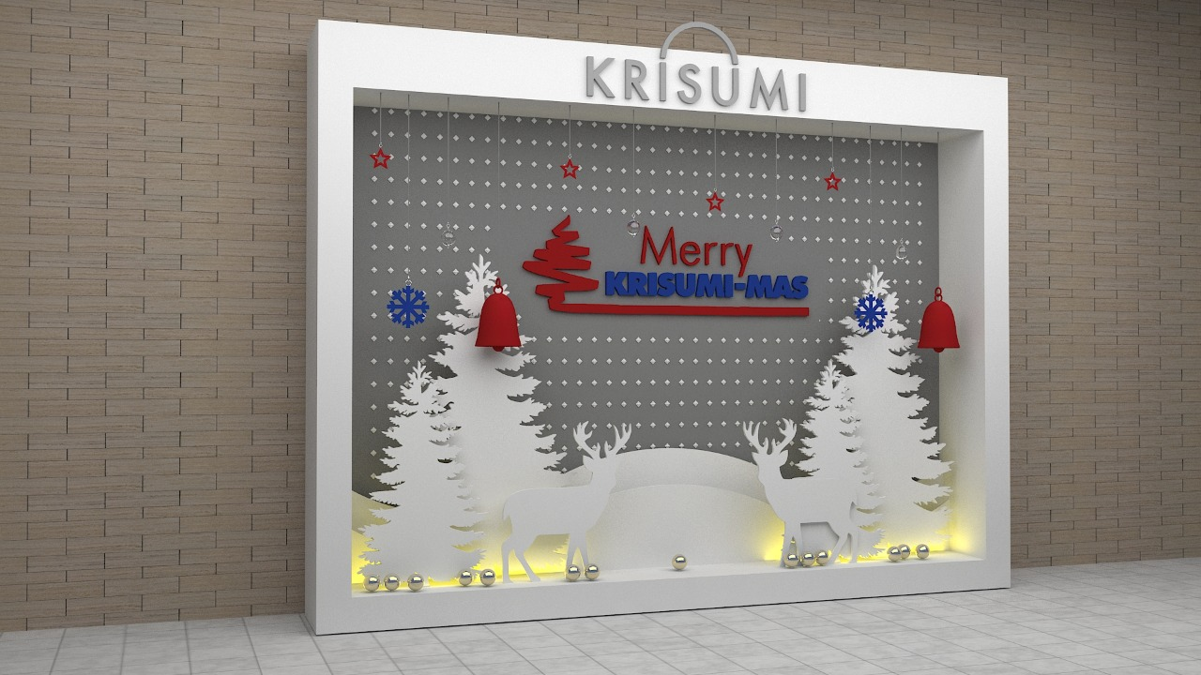
 | Photo op | 8*8 | 1
 | Plemet structure in mdf with white paint finish, Krisumi logo in mdf to be placed on top |  |  | 78500
 | All text in the backdrop in extruded format made in mdf with paint finish
 | Matt flex print fixed on plyback frame
 | All props of trees and reindeers in mdf cut with paint finish, hanging props in paint finish
 | Lights between the props

 | Model area
 | MDf props in cnc cut mdf with paint finish with hanging props and wreath |  |  | 26000 | Budgeted.
 | Will submit new deisgn

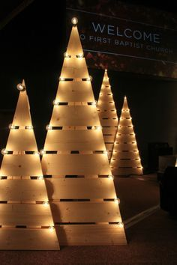

 | TV area Lobby
 | MDF cnc cut trees in paint finish, ferry lights to decorate the trees | 6 and 8ft ht | 1 | 22500
 | 2 trees in white

 | Transportation and installation crew onsite |  | 2 | 25000

 | Total Budget |  |  | 435500
 | Agency Fee @ 8% |  |  | 34840
 | + GST @ 18%

